Form
 | Dean's Cup - Badminton, Basketball, Tennis |  |  |  |  |  |  | Men's Sizing Reference | 男士上衣尺碼參考 |  |  | Women's Sizing Reference | 女士上衣尺碼參考 |  |  | Badminton | 羽毛球
 | 院長盃 - 羽毛球、籃球、網球 |  |  |  |  |  |  | *Supplier to provide sizing between S and 2XL. If you wish to obtain other sizing, please contact us for support. |  |  | *Supplier to provide sizing between XS and XL. If you wish to obtain other sizing, please contact us for support. |  |  | Basketball | 籃球
 |  |  |  |  |  |  |  | 供應商預計可提供S碼至2XL碼之運動上衣。如你需要其他尺碼，請與我們聯絡。 |  |  | 供應商預計可提供XS碼至XL碼之運動上衣。如你需要其他尺碼，請與我們聯絡。 |  |  | Tennis | 網球
 | Date | 日期： | 2023.06.04 (Sunday 星期日）
 | Time | 時間： |  |  |  |  |  |  | Measurement Unit 量度單位 = cm |  |  | Measurement Unit 量度單位 = cm
 | Badminton | 羽毛球 | 09:00 - 13:30 |  |  |  |  |  | Size 國際碼 | Chest 胸圍 | Waist 腰圍 | Size 國際碼 | Chest 胸圍 | Waist 腰圍
 | Basketball | 籃球 | 14:00 - 18:00 |  |  |  |  |  | S | 87-92 | 75-80 | XS | 76.5-79 | 60.5-63
 | Tennis | 網球 | 09:00 - 13:30 |  |  |  |  |  | M | 93-96 | 81-84 | S | 79.5-82 | 63.5-66
 | Venue | 地點： | University Sports Centre, CUHK | 香港中文大學 大學體育中心 |  |  |  |  |  | L | 97-100 | 85-88 | M | 85.5-88 | 69.5-72
 |  |  |  |  |  |  |  | XL | 101-108 | 89-96 | L | 91.5-94 | 75.5-78
 | Eligibility | 參賽資格： | Open to all students, alumni, and staff (current, former and retired) of CUHK Science. |  |  |  |  |  | 2XL | 109-113 | 97-101 | XL | 98-101 | 82-85
 |  | As badminton and tennis tournaments take place concurrently, players can only register for either of these sports.
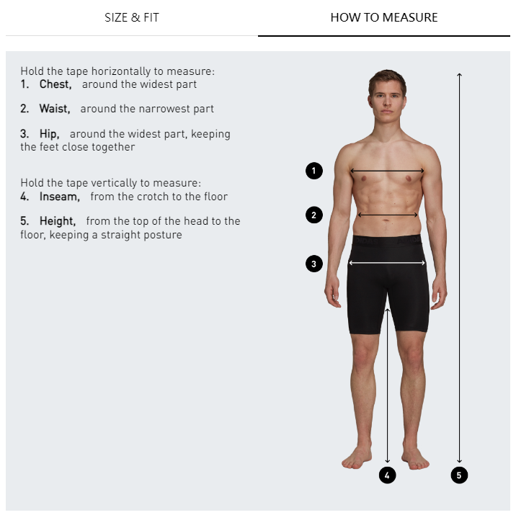
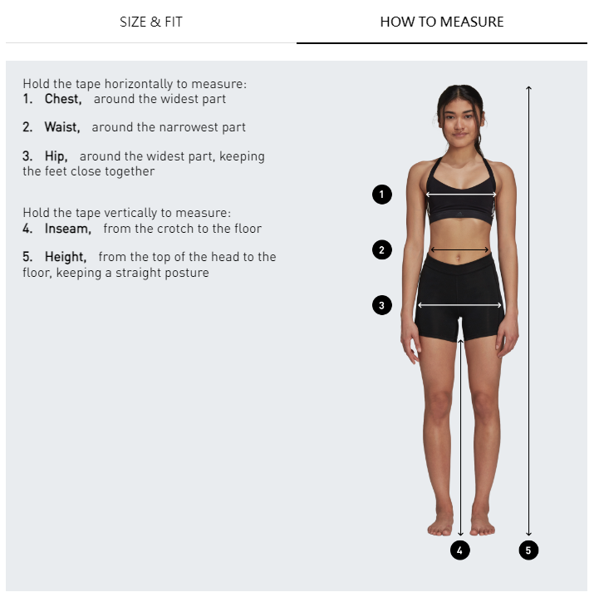
 |  | 歡迎所有中大理學院同學、校友及教職員（現任、前任或退休）報名參與。
 |  | 因羽毛球及網球賽事同步進行，參賽者只能擇一參與。
 | Team | 隊伍： | This is a unisex tournament and we welcome teams of all gender mixes. 賽事不分性別，歡迎大家踴躍報名。
 |  | Enrolment is on first-come, first-served basis. 名額有限，先到先得。
 | Badminton | 羽毛球 | 2 players per team. 每隊兩人。
 | Basketball | 籃球 | Up to 5 players per team. 每隊最多5人。
 | Tennis | 網球 | 2 players per team. 每隊兩人。
 | Enrolment | 報名： | One enrolment form per team. 每隊只需遞交一張申請表。
 |  | Please submit completed form by email: |  |  | sfo@cuhk.edu.hk
 |  | 填妥後，請用電郵遞交報名表：

 | Enrolment Deadline | 截止報名： | 2023.05.05 @ 12:00nn
 | Souvenir | 紀念品： | Each registered participant shall receive a souvenir sports t-shirt when they present themselves at the registration counter at the reporting time specified. 每位已登記的參賽者將於登記處報到時獲得理學院60周年T恤乙件。

 | Team Name | 隊伍名稱： |  |  | Sport | 運動：
 | *Yellow boxes are optional and only apply to 3-on-3 basketball enrolment | 黃色範圍為選填資料，並只適用於3比3籃球賽

No. | Participant Name (ENG) | 參賽人（中文） | Email | Phone Number 電話 | Affiliation 身份 | Unit / Programme 單位 / 課程 | Shirt Size / 上衣尺碼
e.g. | CHAN Tai Man | 陳大文 | tmchan@email.hk | 9999 0000 | Alumni - UG | BSc in Biology | Men's - L
1
2
3
4
5

 | Enquiries / 查詢：
 | sfo@cuhk.edu.hk
 | 3943 0594 / 3943 6185

